Sheet1
Risk Number | Description of Risk | Risk Owner | Risk Category | Status | Likelihood | Impact | Inherrent Risk rating | Risk Mitigation Plan | Residual Risk Rating | Review Date
R001 | Lack of Multi-Factor authentication may allow unauthorised access to accounts or systems | Ben Stephens | Technology | Open | 4 | 4 | 16 | Implement and enforce MFA | 1 | 2025-06-15

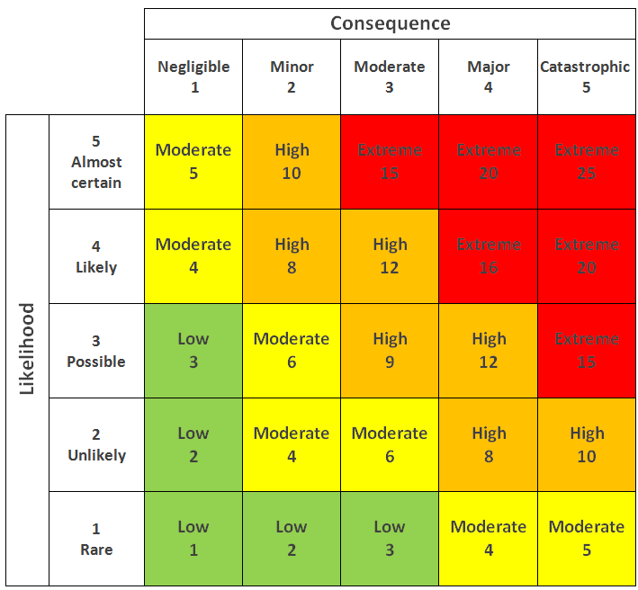
 |  |  |  |  |  | Risk Categories: |  | Technology
 |  |  |  |  |  |  |  | Internal
 |  |  |  |  |  |  |  | Third Party
 |  |  |  |  |  |  |  | Compliance
 |  |  |  |  |  |  |  | Reputational
 |  |  |  |  |  |  |  | Operational
 |  |  |  |  |  |  |  | Strategic

